HP
IMAGE | Style CODE | Style Description | SIZE | COLOR | PCS | RETAIL
 | HBK048 | Backpack with Elastics | 47 H x 31 L x 17 W | 621 RED | 1,280 | 83.00 €
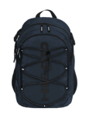 | HBK048 | Backpack with Elastics | 47 H x 31 L x 17 W | 810 NAVY | 2,860 | 83.00 €
 | HBK048 | Backpack with Elastics | 47 H x 31 L x 17 W | 823 ROYAL BLUE | 2,280 | 83.00 €
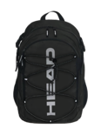 | HBK048 | Backpack with Elastics | 47 H x 31 L x 17 W | 910 BLACK | 3,920 | 83.00 €
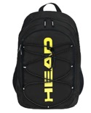 | HBK048 | Backpack with Elastics | 47 H x 31 L x 17 W | B11 BLACK/ YELLOW FLUO | 220 | 83.00 €
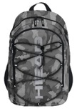 | HBK048 | Backpack with Elastics | 47 H x 31 L x 17 W | V11 CAMO GREY | 100 | 86.00 €
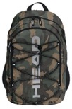 | HBK048 | Backpack with Elastics | 47 H x 31 L x 17 W | V12 CAMO ARMY | 3,000 | 86.00 €
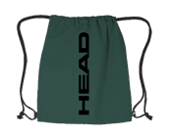 | HBK049 | Shoes Backpack | 40 H x 33 L | 712 GREEN | 23,555 | 8.50 €
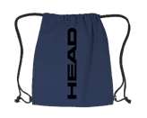 | HBK049 | Shoes Backpack | 40 H x 33 L | 810 NAVY | 48,555 | 8.50 €
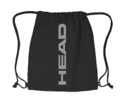 | HBK049 | Shoes Backpack | 40 H x 33 L | 910 BLACK | 48,555 | 8.50 €
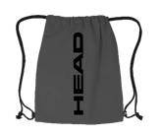 | HBK049 | Shoes Backpack | 40 H x 33 L | 911 GREY | 23,555 | 8.50 €
 |  |  |  | TOTAL | 157,880

